Body Temperature
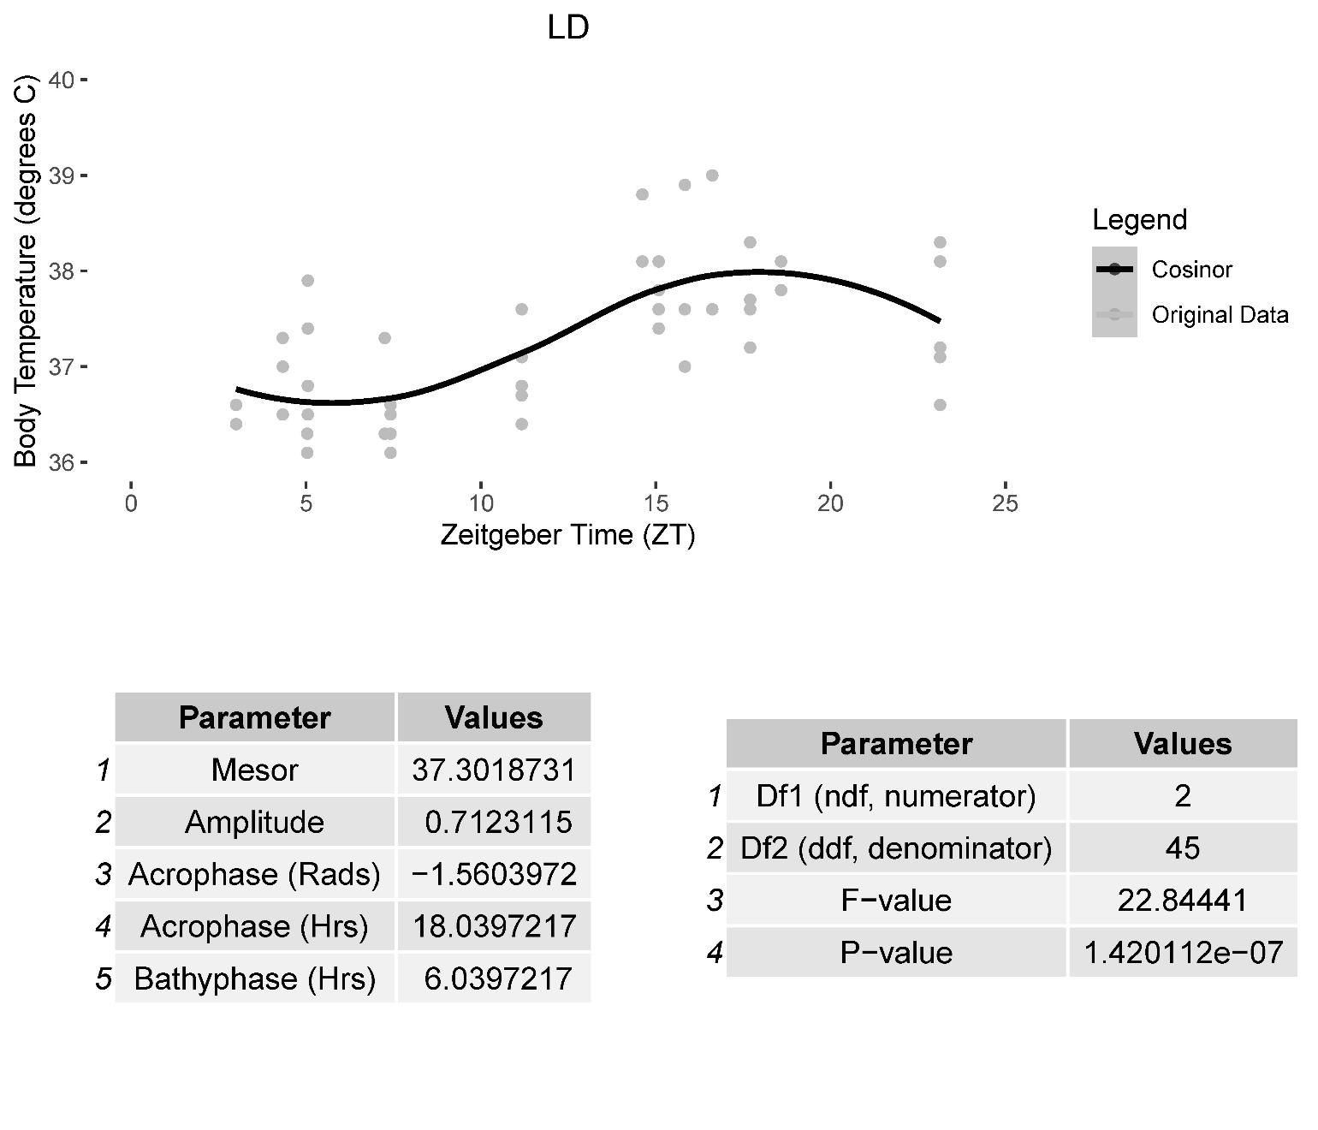
rLEN=Red Light at Night (Circadian Disrupted) | Zeitgeber (ZT) | LD Body Temperature (degrees C) | Zeitgeber (ZT) | rLEN Body Temperature (degrees C)
LD=Normal Light/Dark Cycle | 3 | 36.6 | 2.1667 | 36.4
 | 3 | 36.4 | 2.1667 | 36.3
 | 4.333 | 36.5 | 2.1667 | 36.8
 | 4.333 | 36.5 | 2.1667 | 37.5
 | 4.333 | 37.3 | 2.48333 | 36.2
 | 4.333 | 37 | 2.48333 | 36.9
 | 5.03333 | 36.3 | 2.9333 | 36.9
 | 5.03333 | 36.1 | 2.9333 | 36.6
 | 5.05 | 37.9 | 3.08333 | 36.6
 | 5.05 | 36.8 | 3.08333 | 36.5
 | 5.05 | 36.5 | 3.08333 | 36.8
 | 5.05 | 37.4 | 3.08333 | 36.9
 | 7.25 | 36.3 | 4.51667 | 36.5
 | 7.25 | 37.3 | 4.51667 | 37.1
 | 7.41667 | 36.6 | 4.55 | 36.6
 | 7.41667 | 36.5 | 4.55 | 36.7
 | 7.41667 | 36.1 | 4.55 | 37
 | 7.41667 | 36.3 | 4.55 | 36.7
 | 11.1667 | 36.7 | 4.81667 | 37.1
 | 11.1667 | 36.8 | 4.81667 | 36.6
 | 11.1667 | 36.8 | 5.667 | 36.6
 | 11.1667 | 37.1 | 5.667 | 36.8
 | 11.1667 | 36.4 | 5.667 | 36.9
 | 11.1667 | 37.6 | 5.667 | 36.7
 | 14.61667 | 38.1 | 6.5 | 37.2
 | 14.61667 | 38.8 | 6.5 | 37
 | 15.08333 | 37.6 | 6.9667 | 36.7
 | 15.08333 | 37.8 | 6.9667 | 36.2
 | 15.08333 | 37.4 | 6.9667 | 36.8
 | 15.08333 | 38.1 | 6.9667 | 36.9
 | 15.8333 | 37 | 11.42 | 38
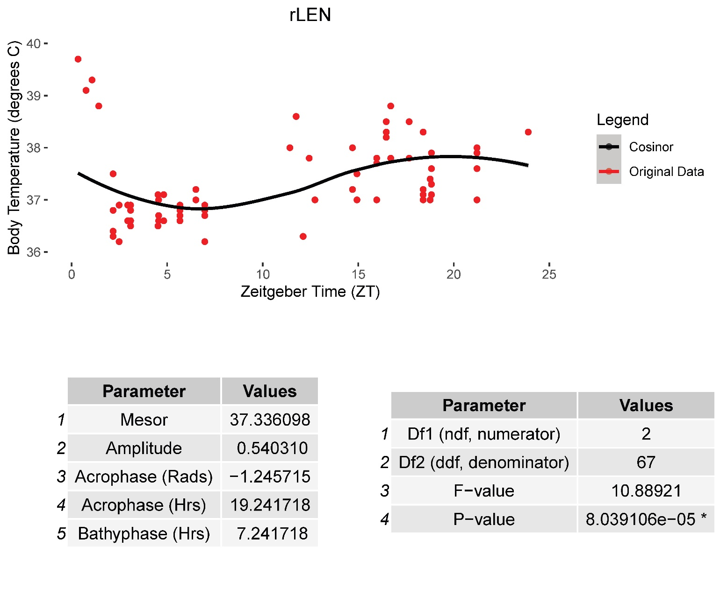
 | 15.8333 | 38.9 | 11.75 | 38.6
 | 15.8333 | 37.6 | 12.11667 | 36.3
 | 15.8333 | 38.9 | 12.4333 | 37.8
 | 16.61667 | 37.6 | 12.7333 | 37
 | 16.61667 | 39 | 14.7 | 37.2
 | 17.7 | 37.2 | 14.7 | 38
 | 17.7 | 37.7 | 14.9333 | 37
 | 17.7 | 38.3 | 14.9333 | 37.5
 | 17.7 | 37.6 | 15.9667 | 37
 | 18.58333 | 37.8 | 15.9667 | 37.8
 | 18.58333 | 38.1 | 15.9667 | 37.7
 | 23.1333 | 37.1 | 15.9667 | 37
 | 23.1333 | 37.1 | 16.4667 | 38.5
 | 23.1333 | 37.2 | 16.4667 | 38.3
 | 23.1333 | 36.6 | 16.4667 | 38.2
 | 23.1333 | 38.3 | 16.4667 | 38.3
 | 23.1333 | 38.1 | 16.7 | 37.8
 |  |  | 16.7 | 38.8
 |  |  | 17.667 | 37.8
 |  |  | 17.667 | 38.5
 |  |  | 18.4 | 38.3
 |  |  | 18.4 | 37.2
 |  |  | 18.4 | 37.1
 |  |  | 18.4 | 37
 |  |  | 18.7667 | 37
 |  |  | 18.7667 | 37.4
 |  |  | 18.8333 | 37.1
 |  |  | 18.8333 | 37.6
 |  |  | 18.8333 | 37.3
 |  |  | 18.8333 | 37.9
 |  |  | 21.21667 | 38
 |  |  | 21.21667 | 37.9
 |  |  | 21.21667 | 37.6
 |  |  | 21.21667 | 37
 |  |  | 23.9 | 38.3
 |  |  | 0.333 | 39.7
 |  |  | 0.75 | 39.1
 |  |  | 1.0667 | 39.3
 |  |  | 1.41667 | 38.8

